price
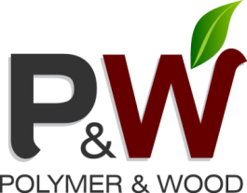
 | Made in Ukraine
 | Contakt name:
 | Tel.

pwpolymerwood.ua | E-mail: info@pwpolymerwood.ua

DECKING WPC
Model | Name | Weight max, kg | Price FCA USD/M² | Price FCA, USD/l.m
 | 140х25х(2200-6000) Color - Wenge, Merbau, Oak | 17.50 | 16.63 | 2.33
 | 284x20x(2200-6000) Color - Wenge, Merbau, Oak | 18.00 | 17.10 | 4.86
 | 150х25х(2200-6000) Color - Wenge, Merbau, Oak | 20.00 | 19.00 | 2.85
 | Massive 150х20х(2200-6000) Color - Wenge, Merbau, Oak | 26.70 | 25.37 | 3.81
 | Home Lite 138 х19х(2200-6000) Color - Wenge, Merbau, Oak | 13.80 | 13.11 | 1.82
 | Massive Lite 130х19х(2200-6000) Color - Wenge, Merbau, Oak | 26.10 | 24.80 | 3.22

 | Laga 30h35h(2200-6000) | 1.06 | ------ | 1.06
 | Corner 60h30h(2200-6000) | 0.71 | ------ | 1.00
 | clip 1 mm | 1000 pcs - 10,5 kg | ------ | 0.10

FACADE WPC
Model | Name | Weight max, kg | Price FCA USD/M² | Price FCA, USD/l.m
 | Siding 150h18 (3000-6000) color - Wenge, Merbau, Oak | 12.60 | 12.00 | 1.80
 | Panel 300h18 (3000-6000) Color-Wenge, Merbau, Oak | 16.30 | 15.50 | 4.65
 | The clip (galvanized steel) 0.8 mm. | 1000 pcs - 7,5 kg | ------- | 0.1

